Sheet3
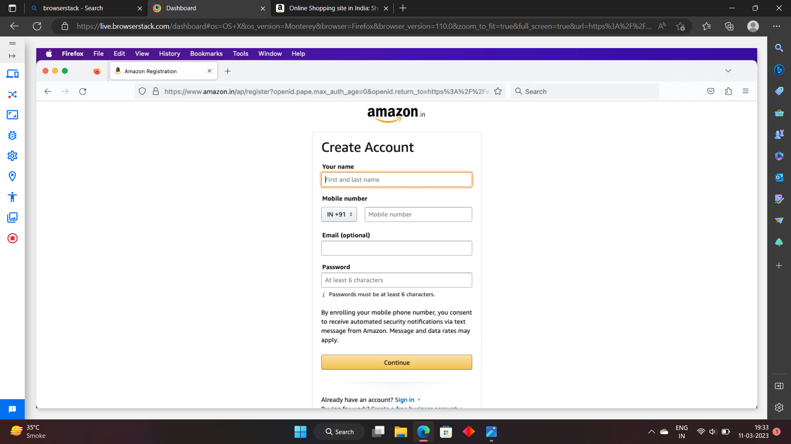
testing on iphone 14 with chrome browser

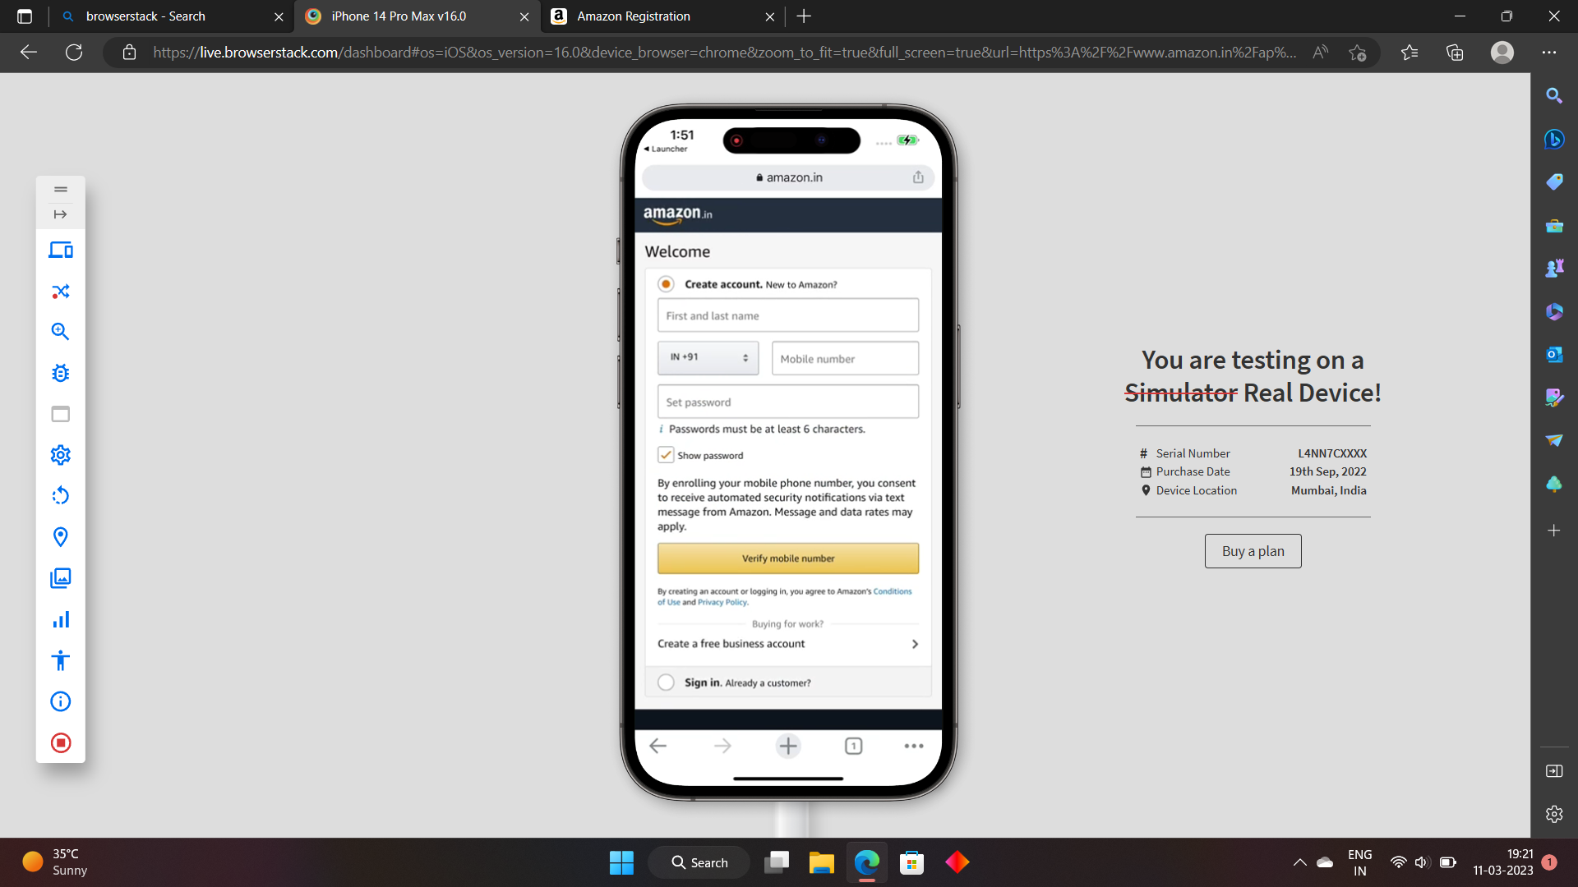

testing on google pixel 7 with chrome browser

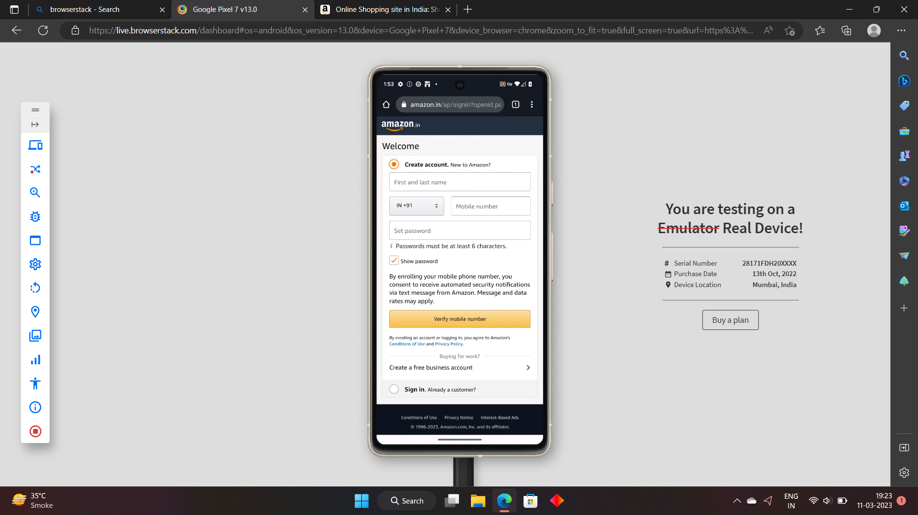

testing on windows 11 with edge browser

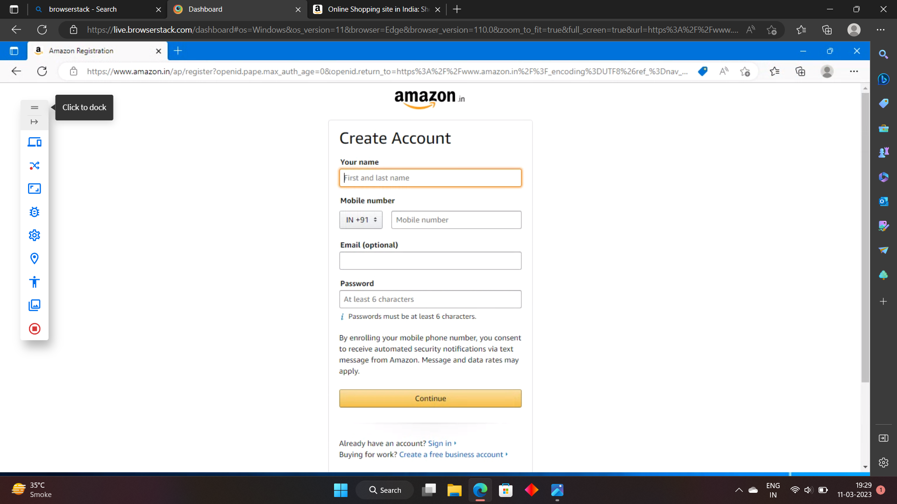

testing on windows with chrome browser

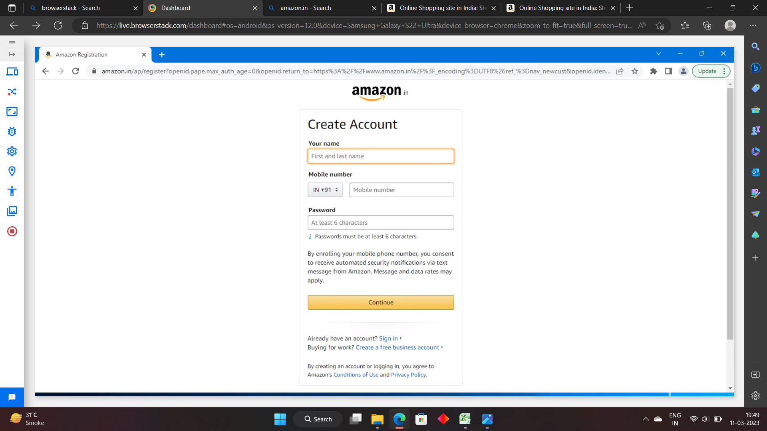

testing on mac with firefox browser

